Original
Question Table 1 Recipts |  |  | Question Table 2 Payment |  |  | Result |  |  |  |  |  | https://www.linkedin.com/feed/update/urn:li:activity:7202051165499396096?commentUrn=urn%3Ali%3Acomment%3A%28activity%3A7202051165499396096%2C7202085999735156737%29&dashCommentUrn=urn%3Ali%3Afsd_comment%3A%287202085999735156737%2Curn%3Ali%3Aactivity%3A7202051165499396096%29
ID | Date | Cost | ID | Date | Payment |  | P1 | P2 | P3 | P4 | P5
C1 | 2024-02-03 | $120 | P1 | 2023-12-18 | $600 | C1 | $120
C2 | 2024-02-16 | $356 | P2 | 2023-12-26 | $50 | C2 | $356
C3 | 2024-02-19 | $312 | P3 | 2024-01-21 | $112 | C3 | $124 | $50 | $112 | $26
C4 | 2024-03-04 | $437 | P4 | 2024-01-24 | $800 | C4 |  |  |  | $437
C5 | 2024-03-13 | $374 | P5 | 2024-02-05 | $1,800 | C5 |  |  |  | $337 | $37
C6 | 2024-03-14 | $258 |  |  |  | C6 |  |  |  |  | $258
Challenge 60: Match Payments! The customer receipt costs and their payments are provided in Question Tables 1 and 2. We want to match the payments with the receipts based on the date, as shown in the result table. Receipts that are not paid will be marked as "NP" (Not Paid).
For example, Payment ID P1 is used to pay for receipts C1 to C3.
C7 | 2024-03-19 | $369 |  |  |  | C7 |  |  |  |  | $369
C8 | 2024-03-25 | $418 |  |  |  | C8 |  |  |  |  | $418
C9 | 2024-04-02 | $308 |  |  |  | C9 |  |  |  |  | $308
C10 | 2024-04-15 | $410 |  |  |  | C10 |  |  |  |  | $410
C11 | 2024-04-24 | $491 |  |  |  | C11 | NP | NP | NP | NP | NP
C12 | 2024-04-27 | $50 |  |  |  | C12 | NP | NP | NP | NP | NP

Alternate2
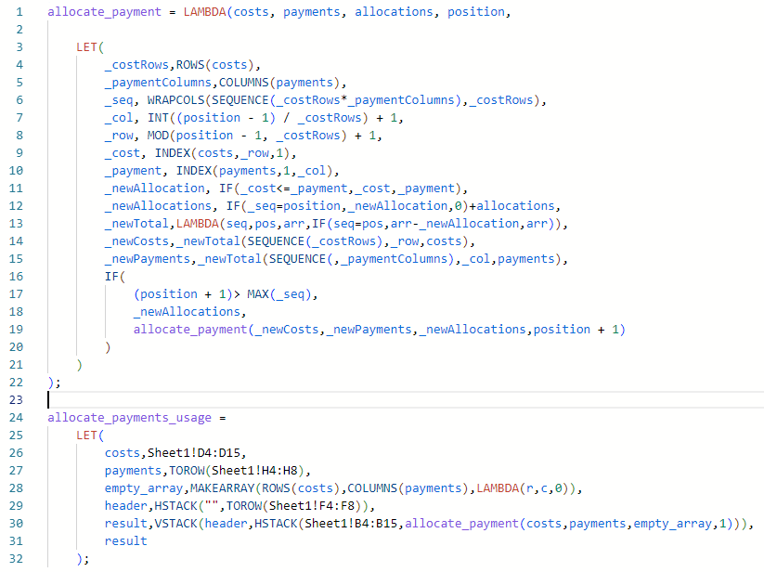
Question Table 1 Recipts |  |  | Question Table 2 Payment |  |  | Result
ID | Date | Cost | ID | Date | Payment |  | P1 | P2 | P3 | P4 | P5
C1 | 2024-02-03 | $120 | P1 | 2023-12-18 | $600 | C1 | $120
C2 | 2024-02-16 | $356 | P2 | 2023-12-26 | $50 | C2 | $356
C3 | 2024-02-19 | $312 | P3 | 2024-01-21 | $112 | C3 | $124 | $50 | $112 | $26
C4 | 2024-03-04 | $437 | P4 | 2024-01-24 | $800 | C4 |  |  |  | $437
C5 | 2024-03-13 | $374 | P5 | 2024-02-05 | $1,800 | C5 |  |  |  | $337 | $37
C6 | 2024-03-14 | $258 |  |  |  | C6 |  |  |  |  | $258
C7 | 2024-03-19 | $369 |  |  |  | C7 |  |  |  |  | $369
C8 | 2024-03-25 | $418 |  |  |  | C8 |  |  |  |  | $418
C9 | 2024-04-02 | $308 |  |  |  | C9 |  |  |  |  | $308
C10 | 2024-04-15 | $410 |  |  |  | C10 |  |  |  |  | $410
C11 | 2024-04-24 | $491 |  |  |  | C11 | NP | NP | NP | NP | NP
C12 | 2024-04-27 | $50 |  |  |  | C12 | NP | NP | NP | NP | NP

This was a tricky problem! I tried doing the nested REDUCE thing like Bo, but then I saw Bo's solution and realised that not only was I struggling to get my head around it, but it wouldn't be as concise as his! So I went for a recursive solution that proceeds to allocate cell by cell in column-major order. This feels brute-forcey, but for me it is by far the easiest way to understand what's going on. 1) Get the column of costs call it 'costs' 2) Get the column of payments as a row, call it 'payments' 3) Build a zero-array of rows(costs) rows and columns(payments) columns 4) Define the output header as a blank cell then the payment IDs as a row 5) Define the result as the header stacked on top of the horizontal stack of the receipt IDs and the result of allocate_payment, which: a) Builds a column-major order sequence of integers called _seq. This is used to define the current cell position being calculated. From this we define _row and _col from the current position. b) Retrieve the current state of the row total from the array of costs, call it _cost c) Retrieve the current state of the column total from the array of payments, call it _payment (ctd below with image and gist link)
(ctd from above) d) If _cost is less than or equal to _payment, we can assign the entirety of the remainder for this row to the current cell, otherwise we just assign the _payment to the cell, effectively exhausting the payment amount for this column. Call this value _newAllocation. e) Create an adjusted copy of 'allocations' called _newAllocations by placing the value calculated in the previous step at the current position f) Define a lambda that will calculate a new copy of either the costs or payments arrays and apply it to both the costs and payment arrays to subtract the value calculated in step (d) from the current row or column of those arrays, respectively g) Finally, if the new position is greater than the largest index in the column-major index _seq, just return _newAllocations, otherwise, pass the newly calculated values for costs, payments, allocations and position into a recursive call of the function Here is the code: https://gist.github.com/ncalm/f45668d085add477090b9a3971da7e89

Alternate3
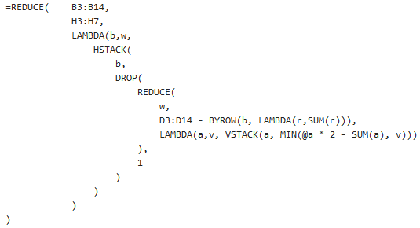
 | Question Table 1 Recipts |  |  | Question Table 2 Payment |  |  |  |  | Result |  |  |  |  |  | https://www.linkedin.com/feed/update/urn:li:activity:7202051165499396096?commentUrn=urn%3Ali%3Acomment%3A%28activity%3A7202051165499396096%2C7202085999735156737%29&dashCommentUrn=urn%3Ali%3Afsd_comment%3A%287202085999735156737%2Curn%3Ali%3Aactivity%3A7202051165499396096%29
 | ID | Date | Cost | ID | Date | Payment |  |  |  | P1 | P2 | P3 | P4 | P5 |  |  |  |  |  |  | 680
1 | C1 | 2024-02-03 | $120 | P1 | 2023-12-18 | $600 |  |  | C1 | $120 |  |  |  |  |  |  |  |  |  |  | 444
2 | C2 | 2024-02-16 | $356 | P2 | 2023-12-26 | $50 |  |  | C2 | $356 |  |  |  |  | 1.00 | 2.00 | 3.00 |  | 6 |  | 514
3 | C3 | 2024-02-19 | $312 | P3 | 2024-01-21 | $112 |  |  | C3 | $124 | $50 | $112 | $26 |  | 4.00 | 5.00 | 6.00 |  | 15 |  | 800
4 | C4 | 2024-03-04 | $437 | P4 | 2024-01-24 | $800 |  |  | C4 |  |  |  | $437 |  | 7.00 | 8.00 | 9.00 |  | 24 |  | 800 |  |  |  |  |  | $120 | 120 | $0 | $120 | $0
5 | C5 | 2024-03-13 | $374 | P5 | 2024-02-05 | $1,800 |  |  | C5 |  |  |  | $337 | $37 |  |  |  |  |  |  | 800 |  |  |  |  |  | 356 | 356 | $0 | 356 | 0
6 | C6 | 2024-03-14 | $258 |  |  |  |  |  | C6 |  |  |  |  | $258 |  |  |  |  |  |  | 800 |  |  |  |  |  | 312 | 124 | $188 | 312 | 0
7 | C7 | 2024-03-19 | $369 |  |  |  |  |  | C7 |  |  |  |  | $369 |  |  |  |  |  |  | 800 |  |  |  |  |  | 437 | 0 | $437 | 437 | 0
8 | C8 | 2024-03-25 | $418 |  |  |  |  |  | C8 |  |  |  |  | $418 |  |  |  |  |  |  | 800 |  |  |  |  |  | 374 | 0 | $374 | 374 | 0
9 | C9 | 2024-04-02 | $308 |  |  |  |  |  | C9 |  |  |  |  | $308 |  |  |  |  |  |  | 800 |  |  |  |  |  | 258 | 0 | $258 | 258 | 0
10 | C10 | 2024-04-15 | $410 |  |  |  |  |  | C10 |  |  |  |  | $410 |  |  |  |  |  |  | 800 |  |  |  |  |  | 369 | 0 | $369 | 369 | 0
11 | C11 | 2024-04-24 | $491 |  |  |  |  |  | C11 | NP | NP | NP | NP | NP |  |  |  |  |  |  | 800 |  |  |  |  |  | 418 | 0 | $418 | 418 | 0
12 | C12 | 2024-04-27 | $50 |  |  |  |  |  | C12 | NP | NP | NP | NP | NP |  |  |  |  |  |  |  |  |  |  |  |  | 308 | 0 | $308 | 308 | 0
 |  |  |  |  |  |  |  |  |  |  |  |  |  |  |  |  |  |  |  |  |  |  |  |  |  |  | 410 | 0 | $410 | 410 | 0
 |  |  |  |  |  |  |  |  |  |  |  |  |  |  | I found the issue. Some problem with my Excel version. |  |  |  |  |  |  |  |  |  |  |  | 491 | 0 | $491 | 491 | 0
 |  |  |  |  |  |  |  |  |  |  |  |  |  |  |  | 600 | 50 | 112 | 800 | 1800 |  |  |  |  |  |  | 50 | 0 | $50 | 50 | 0

 |  |  |  |  | ID | P1 | P2 | P3 | P4 | P5 |  |  | #NAME? |  | C1 | 120 | 0 | 0 | 0 | 0 | C1 | 120 | 0 | 0 | 0 | 0
 |  |  |  |  | #NAME? | #NAME? | #NAME? | #NAME? | #NAME? | #NAME? |  |  |  |  | C2 | 356 | 0 | 0 | 0 | 0 | C2 | 356 | 0 | 0 | 0 | 0
 |  |  |  |  | #NAME? | #NAME? | #NAME? | #NAME? | #NAME? | #NAME? |  |  |  |  | C3 | 124 | 50 | 112 | 26 | 0 | C3 | 312 | 0 | 0 | 0 | 0
 |  |  |  |  | #NAME? | #NAME? | #NAME? | #NAME? | #NAME? | #NAME? |  |  |  |  | C4 | 0 | 0 | 0 | 437 | 0 | C4 | 437 | 0 | 0 | 0 | 0
 |  |  |  |  | #NAME? | #NAME? | #NAME? | #NAME? | #NAME? | #NAME? |  |  |  |  | C5 | 0 | 0 | 0 | 337 | 37 | C5 | 374 | 0 | 0 | 0 | 0
 |  |  |  |  | #NAME? | #NAME? | #NAME? | #NAME? | #NAME? | #NAME? |  |  |  |  | C6 | 0 | 0 | 0 | 0 | 258 | C6 | 258 | 0 | 0 | 0 | 0
 |  |  |  |  | #NAME? | #NAME? | #NAME? | #NAME? | #NAME? | #NAME? |  |  |  |  | C7 | 0 | 0 | 0 | 0 | 369 | C7 | 369 | 0 | 0 | 0 | 0
 |  |  |  |  | #NAME? | #NAME? | #NAME? | #NAME? | #NAME? | #NAME? |  |  |  |  | C8 | 0 | 0 | 0 | 0 | 418 | C8 | 418 | 0 | 0 | 0 | 0
 |  |  |  |  | #NAME? | #NAME? | #NAME? | #NAME? | #NAME? | #NAME? |  |  |  |  | C9 | 0 | 0 | 0 | 0 | 308 | C9 | 308 | 0 | 0 | 0 | 0
 |  |  |  |  | #NAME? | #NAME? | #NAME? | #NAME? | #NAME? | #NAME? |  |  |  |  | C10 | 0 | 0 | 0 | 0 | 410 | C10 | 410 | 0 | 0 | 0 | 0
 |  |  |  |  | #NAME? | #NAME? | #NAME? | #NAME? | #NAME? | #NAME? |  |  |  |  | C11 | 0 | 0 | 0 | 0 | 0 | C11 | 491 | 0 | 0 | 0 | 0
 |  |  |  |  | #NAME? | #NAME? | #NAME? | #NAME? | #NAME? | #NAME? |  |  |  |  | C12 | 0 | 0 | 0 | 0 | 0 | C12 | 50 | 0 | 0 | 0 | 0
 |  |  |  |  | #NAME? | #NAME? | #NAME? | #NAME? | #NAME? | #NAME?

 |  |  |  |  |  |  |  |  |  | $120 |  |  |  |  | C1 | 120 | 50 | 112 | 120 | 120
 |  |  |  |  |  |  |  |  |  | 356 |  |  |  |  | C2 | 356 | 0 | 0 | 356 | 356
 |  |  |  |  |  |  |  |  |  | 312 |  |  |  |  | C3 | 124 | 0 | 0 | 312 | 312
 |  |  |  |  |  |  |  |  |  | 437 |  |  |  |  | C4 | 0 | 0 | 0 | 12 | 437
 |  |  |  |  |  |  |  |  |  | 374 |  |  |  |  | C5 | 0 | 0 | 0 | 0 | 374
 |  |  |  |  |  |  |  |  |  | 258 |  |  |  |  | C6 | 0 | 0 | 0 | 0 | 201
 |  |  |  |  |  |  |  |  |  | 369 |  |  |  |  | C7 | 0 | 0 | 0 | 0 | 0
 |  |  |  |  |  |  |  |  |  | 418 |  |  |  |  | C8 | 0 | 0 | 0 | 0 | 0
 |  |  |  |  |  |  |  |  |  | 308 |  |  |  |  | C9 | 0 | 0 | 0 | 0 | 0
 |  |  |  |  |  |  |  |  |  | 410 |  |  |  |  | C10 | 0 | 0 | 0 | 0 | 0
 |  |  |  |  |  |  |  |  |  | 491 |  |  |  |  | C11 | 0 | 0 | 0 | 0 | 0
 |  |  |  |  |  |  |  |  |  | 50 |  |  |  |  | C12 | 0 | 0 | 0 | 0 | 0

